Sheet1


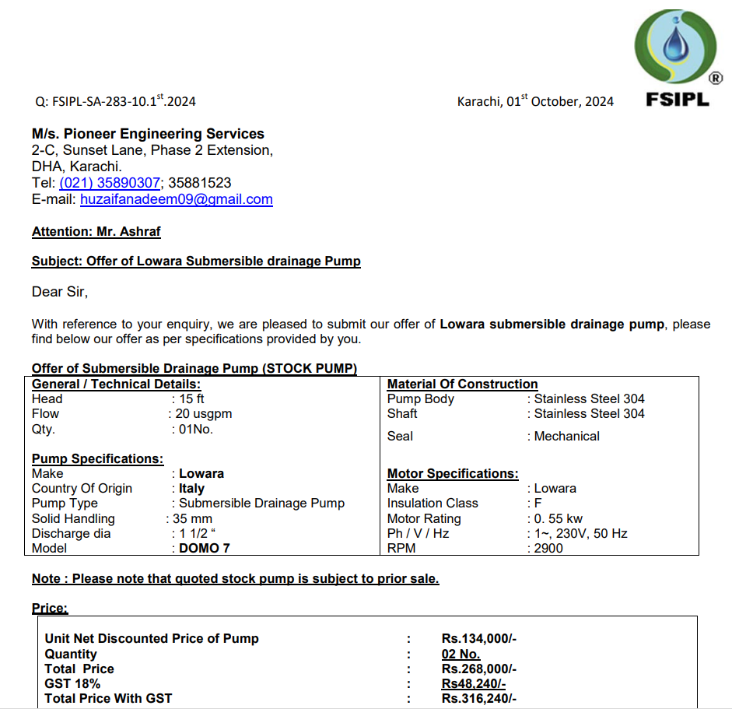

M/S IK Associates |  |  |  |  |  |  |  | 2024-11-22

Project: Engro Office 7th Floor DMC Karachi

Attn: Mr. Taha Ghaznavi

Variation # 3
Supply & installation of Offer of Lowara Submersible drainage Pump with Motor control unit.
S. # | Description | Material Rate | Labour Rate | Over head Profit 25% | Total Rate | Unit | Qty | Amount
1 | Supply & installation of Offer of Lowara Submersible drainage Pump: Make: Lowara Origin: Italy Flow: 20 USGPM Head: 15 FT RPM: 2900 Model: DOMO 7 | 158,120 | 25,000 | 45,780 | 228,900 | No | 2 | 457,800
2 | Supply & installation of motor control unit for both pumps. | 171,100 | 30,000 | 50,275 | 251,375 | No | 1 | 251,375
Total Amount Rs. |  |  |  |  |  |  |  | 709,175

Note: Vendor Quotations attached

Thanking you,

For PIONEER ENGINEERING SERVICES.

Bilal Habib

 |  |  |  |  |  |  |  |  | 145000
 |  |  |  |  |  |  |  |  | 171100

